Foglio1
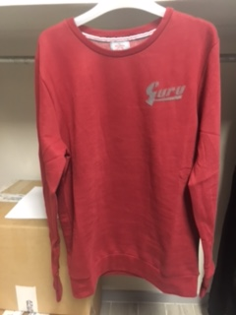
ARTICOLO | MOD | COLORE | S | M | L | XL | XXL | TOT
FWGFS105 | GIROCOLLO LOGO GURU A SX | NERO 402 | 20 | 25 | 34 | 37 | 22 | 138
FWGFS105 |  | BLU 626 | 41 | 75 | 79 | 124 | 52 | 371
FWGFS105 |  | BORDO 319 | 20 | 27 | 35 | 39 | 22 | 143
FWGFS105 |  | GRIGIO 442 | 14 | 12 | 22 | 22 | 12 | 82
 |  |  |  |  |  |  |  | 734

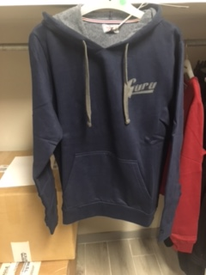
FWGFS106 | CAPPUCCIO MARSUPIO LOGO GURU SX | NERO 402 | 8 | 14 | 19 | 20 | 20 | 81
FWGFS106 |  | BORDO 319 | 13 | 13 | 34 | 23 | 26 | 109
FWGFS106 |  | BLU 626 | 28 | 39 | 41 | 41 | 33 | 182
FWGFS106 |  | GRIGIO 442 | 2 | 3 | 4 | 8 | 10 | 27

 |  |  |  |  |  |  |  | 399

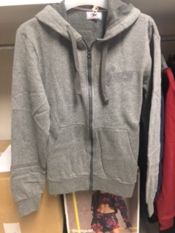
FWGFS107 | CAPPUCCIO ZIP LUNGA MARS. LOGO GURU SX | BLU 626 | 15 | 43 | 42 | 89 | 30 | 219
FWGFS107 |  | BORDO 319 | 12 | 12 | 18 | 23 | 16 | 81
FWGFS107 |  | NERO 402 | 9 | 13 | 18 | 19 | 14 | 73
FWGFS107 |  | GRIGIO 442 | 1 | 2 | 3 | 5 | 6 | 17
 |  |  |  |  |  |  |  | 390

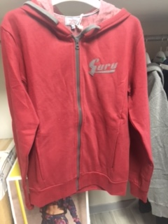
FWGFS108 | CAPPUCCIO ZIP LUNGA LOGO GURU SX | BORDO 319 | 42 | 46 | 63 | 63 | 48 | 262
FWGFS108 |  | BLU 626 | 76 | 151 | 151 | 180 | 79 | 637
FWGFS108 |  | NERO 402 | 33 | 56 | 65 | 61 | 47 | 262
FWGFS108 |  | GRIGIO 442 | 14 | 20 | 23 | 23 | 18 | 98
 |  |  |  |  |  |  |  | 1259

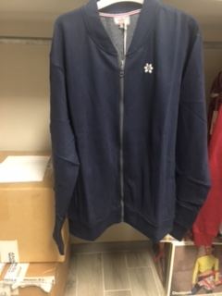
FWGFS109 | BOMBER LOGO MARGHERITA SX | BORDO 319 | 18 | 21 | 26 | 26 | 22 | 113
FWGFS109 |  | BLU 626 | 28 | 71 | 71 | 71 | 37 | 278
FWGFS109 |  | GRIGIO 442 | 9 | 11 | 15 | 15 | 9 | 59
FWGFS109 |  | NERO 402 | 18 | 21 | 26 | 26 | 18 | 109
 |  |  |  |  |  |  |  | 559

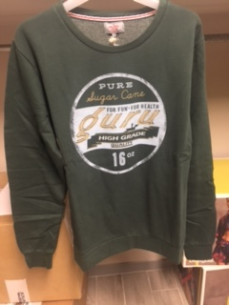
FWGFS111 | GIROCOLLO LOGO GRANDE TONDO | VERDE 217 | 2 | 3 | 4 | 19 | 9 | 37
FWGFS111 |  | BLU 626 | 4 | 3 | 5 | 5 | 6 | 23
FWGFS111 |  | GRIGIO 442 | 4 | 2 | 5 | 6 | 6 | 23
FWGFS111 |  | BORDO 319 | 2 | 4 | 6 | 7 | 7 | 26
 |  |  |  |  |  |  |  | 109

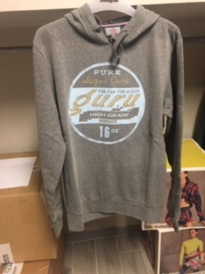
FWGFS112 | CAPPUCCIO LOGO GRANDE TONDO | BORDO 319 | 1 |  | 3 | 11 | 5 | 20
FWGFS112 |  | VERDE 217 | 2 | 4 | 4 | 12 | 4 | 26
FWGFS112 |  | GRIGIO 442 | 3 | 1 | 3 | 16 | 5 | 28
FWGFS112 |  | BLU 626 |  |  | 1 | 13 | 2 | 16
 |  |  |  |  |  |  |  | 90

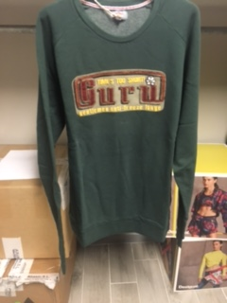

FWGFS113 | GIROCOLLO LOGO GURU RETTANGOLARE | BORDO 319 | 4 | 9 | 8 | 9 | 4 | 34
FWGFS113 |  | VERDE 217 | 4 | 9 | 9 | 9 | 4 | 35
FWGFS113 |  | BLU 626 | 4 | 8 | 6 | 8 | 3 | 29
FWGFS113 |  | GRIGIO 442 | 4 | 9 | 10 | 10 | 5 | 38
 |  |  |  |  |  |  |  | 136

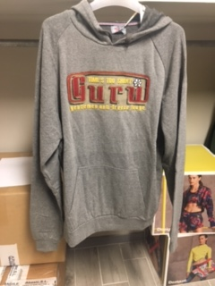

FWGFS114 | CAPPUCCIO MARSUPIO LOGO RETTANGOLARE | BLU 626 | 4 | 10 | 12 | 12 | 3 | 41
FWGFS114 |  | VERDE 217 | 2 | 10 | 13 | 15 | 3 | 43
FWGFS114 |  | BORDO 319 | 4 | 10 | 12 | 12 | 3 | 41
FWGFS114 |  | GRIGIO 442 | 5 | 12 | 10 | 18 | 5 | 50
 |  |  |  |  |  |  |  | 175

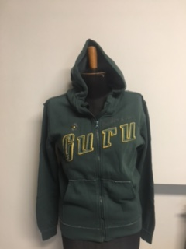

FWGFS115 | ZIP LUNGA MARSUPIO LOGO GURU | BORDO 319 | 9 | 22 | 23 | 18 | 10 | 82
FWGFS115 |  | VERDE 217 | 9 | 20 | 25 | 19 | 9 | 82
FWGFS115 |  | BLU 626 | 5 | 15 | 23 | 19 | 7 | 69
FWGFS115 |  | GRIGIO 442 | 8 | 23 | 23 | 22 | 7 | 83
 |  |  |  |  |  |  |  | 316

 |  |  |  |  |  |  |  | 4167

